Cover
ERA
Material constrained portfolio determination
Results for 2025 Quarter 3

Summary
This is the Economic Regulation Authority's spreadsheet detailing the results of our calculations of material constrained portfolios for Quarter 3 of 2025. This covers the period from 1 July 2025 to 1 October 2025.
Constrained portfolios that have facilities which received energy uplift payments in 10 per cent or more of relevant intervals over a three-month rolling test window, or fixed assessment period, are a material constrained portfolio. The material constrained portfolios identified in Quarter 3 of 2025 are listed in the "Results" tab of this spreadsheet and are highlighted in yellow.
For completeness, this spreadsheet is to be read in conjunction with the ERA's report and method paper on material constrained portfolios, which have been published alongside this spreadsheet.
Material constrained portfolio determination
Summary
Figure 1: High-level steps to determine material constrained portfolios
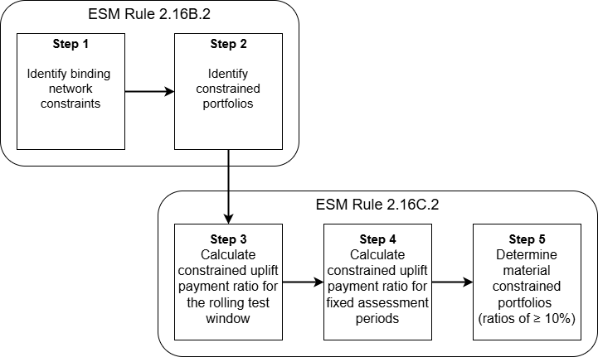

Definitions of column headings in results tab
Constraint equation ID: an identifier for a mathematical representation of a network constraint and a limitation or requirement affecting the capability of a Load or Energy Producing System such that it would represent a risk to Power System Security or Power System Reliability if the limitation or requirement was removed (ESM Rules, Chapter 11).
Registered facility: In respect of a Rule Participant, a Facility registered by that Rule Participant with AEMO in a Facility Class under Chapter 2 [of the ESM Rules] (ESM Rules, Chapter 11).
Constrained portfolio number: a number assigned to a constrained set comprising one or more Scheduled Facilities, Semi-Scheduled Facilities and Non-Scheduled Facilities identified by the Economic Regulation Authority in accordance with ESM Rule 2.16B.1(a) [ESM Rules, Chapter 11).
CP_UP: refers to the number of Dispatch Intervals in the Rolling Test Window or Fixed Assessment Period (as applicable) in which the Constraint Equation relevant to the identification of the Constrained Portfolio and a Registered Facility in the Constrained Portfolio that received an Energy Uplift Payment (ESM Rule 2.16C.2).
NC: refers to the total number of Dispatch Intervals in the Rolling Test Window or Fixed Assessment Period (as applicable) in which the Constraint Equation relevant to the identification of the Constrained Portfolio bound (ESM Rule 2.16C.2)
Constrained uplift payment ratio (CUPR): a mathematical equation with CP_UP as the numerator and NC as a the denominator, multiplied by 100 (ESM Rule 2.16C.2 and ESM Rules Chapter 11).
Fixed assessment period: A period of at least seven consecutive Trading Days in which the Constraint Equation relevant to the identification of a Constrained Portfolio under ESM Rule 2.16B.2(b) has continuously bound within or across a Rolling Test Window. A Rolling Test Window may contain multiple Fixed Assessment Periods (ESM Rules, Chapter 11).
Fixed assessment period CP_UP: refers to the number of Dispatch Intervals in a Fixed Assessment Period in which the Constraint Equation relevant to the identification of the Constrained Portfolio and a Registered Facility in the Constrained Portfolio that received an Energy Uplift Payment (ESM Rule 2.16C.2 and Chapter 11).
Fixed assessment period NC: refers to the the total number of Dispatch Intervals in the Fixed Assessment Period in which the Constraint Equation relevant to the identification of the Constrained Portfolio bound (ESM Rule 2.16C.2 and Chapter 11)
Fixed assessment period CUPR: a mathematical equation with Fixed Assessment Period CP_UP as the numerator and Fixed Assessment Period NC as a the denominator, multiplied by 100 (ESM Rule 2.16C.2 and ESM Rules Chapter 11).

