Basic Instructions
Using Filters in Excel
 | Click the drop‑down arrow in the column you want to filter.
 | Choose how you want to filter the data. (type text in the search box or individually select the tick boxes)
 | Click OK to apply the filter.
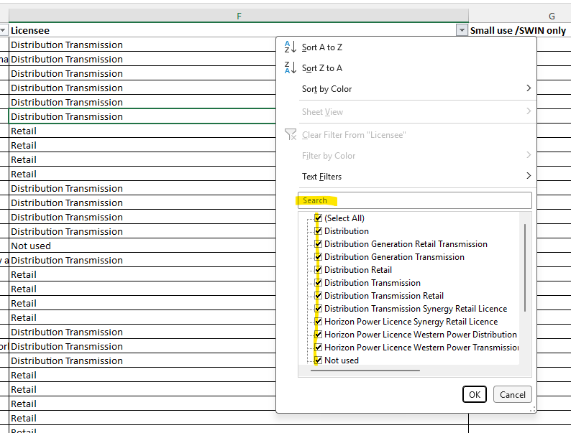

How to clear filters
 | Clear a filter from one column:
 | Open the column drop‑down and choose Clear Filter.
 | Remove all filters:
 | Go to Data TAB - under "Sort & Filter - click Clear)

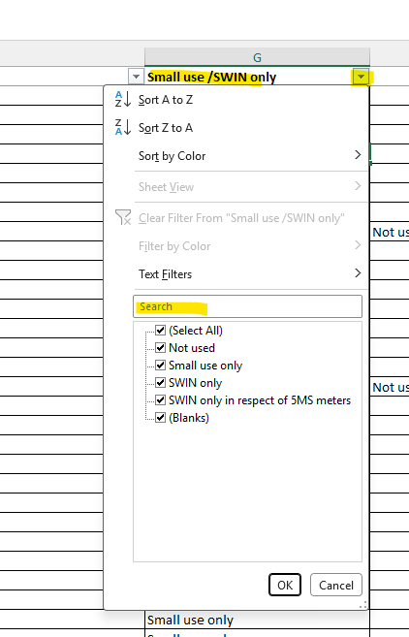
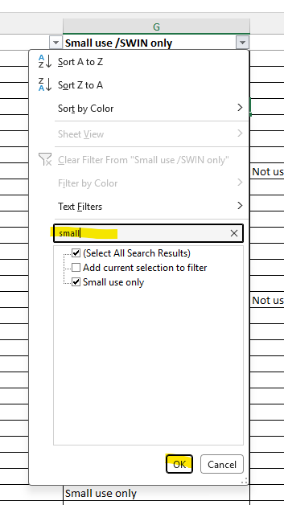
Example: | To find all retail small use only obligations - note there are many ways to filter, this is just one simple example
 | step
 | 1 | Open the column drop‑down "Small use/SWIN only" column G
 | 2 | In the search box type "small" and click OK
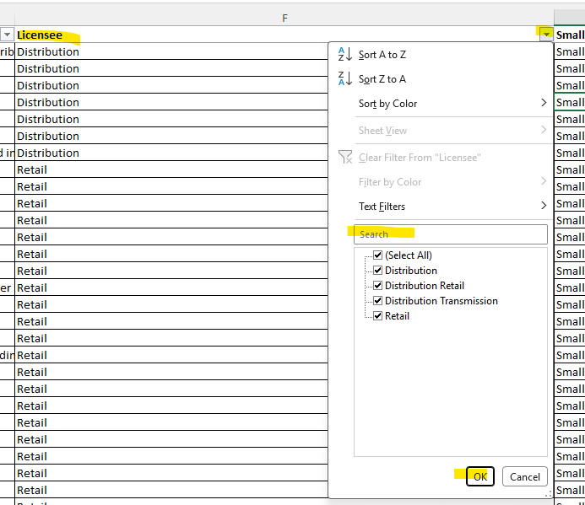
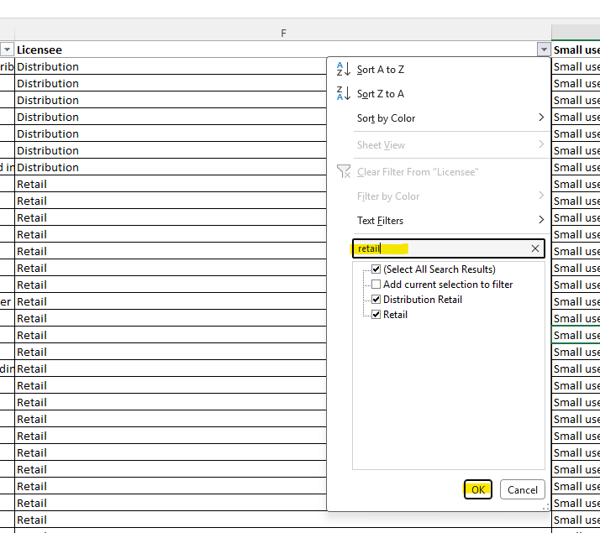
 | 3 | Open the column drop‑down "Licensee" column F
 | 4 | In the search box type "retail" and click OK

Please note: 'Integrated regional' has been removed from the Licensee (column F) and it falls under the relevant licence type, depending on what services the licensee is authorised to provide (i.e Distribution, Generation, Retail or Transmission etc).
I.e. A retail service under an integrated regional licence, would filter the licensee column by retail.

